Lashilé
 |  | Stock brand:

Item Code | Description | Photo | Batch | Quantity | Exp. Date | Retail Price | Total Retail Price
7001 | Lashilé Good Skin 60 gummies |  | 4263 | 2,585 | 2026-09-30 | 29.90 € | 77,291.50 €
7021 | Lashilé Good Hair s/z 60 gummies |  | 4318 | 223 | 2026-11-30 | 24.90 € | 5,552.70 €
7021 | Lashilé Good Hair s/z 60 gummies |  | 4318A | 316 | 2026-11-30 | 24.90 € | 7,868.40 €
7021 | Lashilé Good Hair s/z 60 gummies |  | S4318 | 1,520 | 2026-11-30 | 24.90 € | 37,848.00 €
7021B | Lashilé Good Hair s/z 60 gummies - Bundle x 2pz | 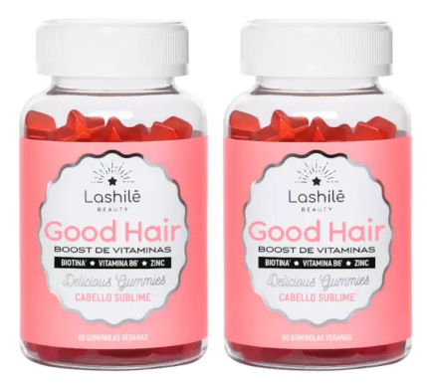 | 4318A | 450 | 2026-11-30 | 44.80 € | 20,160.00 €
7021B | Lashilé Good Hair s/z 60 gummies - Bundle x 2pz |  | S4318 | 600 | 2026-11-30 | 44.80 € | 26,880.00 €
7023 | Lashilé Good Hair Women s/z 60 gummies |  | S5015 | 2,464 | 2027-01-31 | 24.90 € | 61,353.60 €
7042 | Lashilé Good Slim s/z 60 gummies |  | 4249 | 240 | 2026-09-30 | 24.90 € | 5,976.00 €
7042 | Lashilé Good Slim s/z 60 gummies |  | 4249A | 2,620 | 2026-09-30 | 24.90 € | 65,238.00 €
TOTAL |  |  |  | 11,018 |  |  | 308,168.20 €

Additional Information:

